Methodology
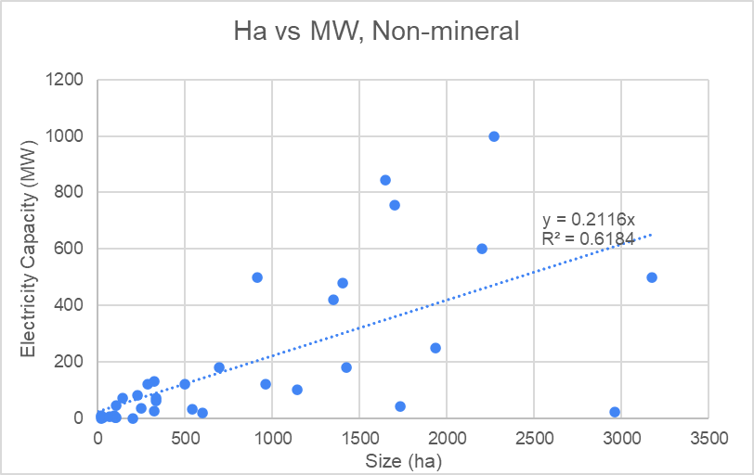
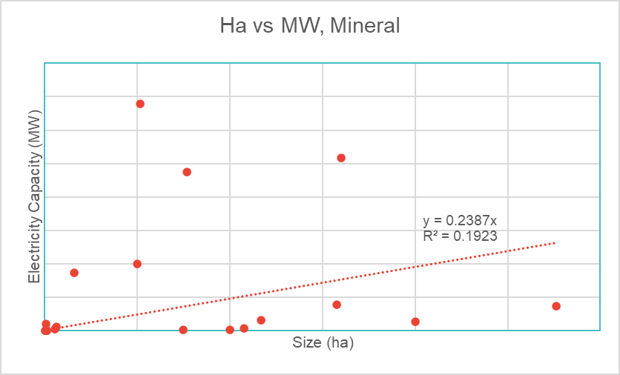
Assumptions
Status | Operational
 | Under Construction
 | Before Construction | MOU has been signed but construction has not begun, has been declared on govt list but no evidence of development on google maps (vector view or satellite). Could replace with preoperational?
 | Operational with Continued Construction
 | Stalled
 | Unclear
Nickel Mining | 1 | Yes: Nickel mining takes place, or planned nickel mining site (smelter, etc)
 | 0 | No: No evidence of nickel mining
Year Operations Began
Year Construction Began
Year Founded | Year permission from the government, legislation, MOU
Disputes | Legal problems with Indonesian government
 | Problems with another corporation
 | Dispute with local residents
 | Worker's rights dispute
Size Final | Used size from Daftar Kawasan Industri (Kementerian Perindustrian Republik Indonesia), unless a reputable source reports a different size that appears to be more recent (including Batam ebook 2022).
Location English | Used location from coordinates on google maps, without the Plus Coes

Research Methodology:
Phase 1: | Create list of industrial parks, using Indonesian government list of industrial parks (Kawasan Industri), EU-Indonesia Business Network Industrial Estate data set, Batam Industrial Estate ebook (2022), and BKPM Investment Guide to Industrial Estates (December 2019). Filled in dataset with infrastructure information, location data, tenants, website.
Phase 2: | If available, used company or government websites, annual reports to fill in missing information.
Phase 3: | Used google search with industrial estate name in English and Indonesian to find news articles about status, foreign company involvement, and disputes.
Phase 4: | Google Maps to find coordinates, view satellite imagery, and view reviews to determine status of industrial park.
 | Can add info about tenant search - daftar websites, google maps

Conversion of MVA to MW | Assumed a power factor of 1, to represent the max capacity.

 | Phase for dispute verification - search directly on Environmental Justice Atlas, Global Energy Monitor

Energy Estimation | Only for Status: "Operational" and "Operational with Continued Construction
 | Mineral (Nickel, Steel and Iron, Aluminum, Other Metals) vs Non-Mineral
 | As of 2/24/2023, industry classifications incomplete:
 | Estimation: x = size (ha), y = electricity capacity (MW)
 | y-intercept set to 0
 | Non-mineral: y = .2116x
 | Mineral: y = .3313x

